Market Key Contacts
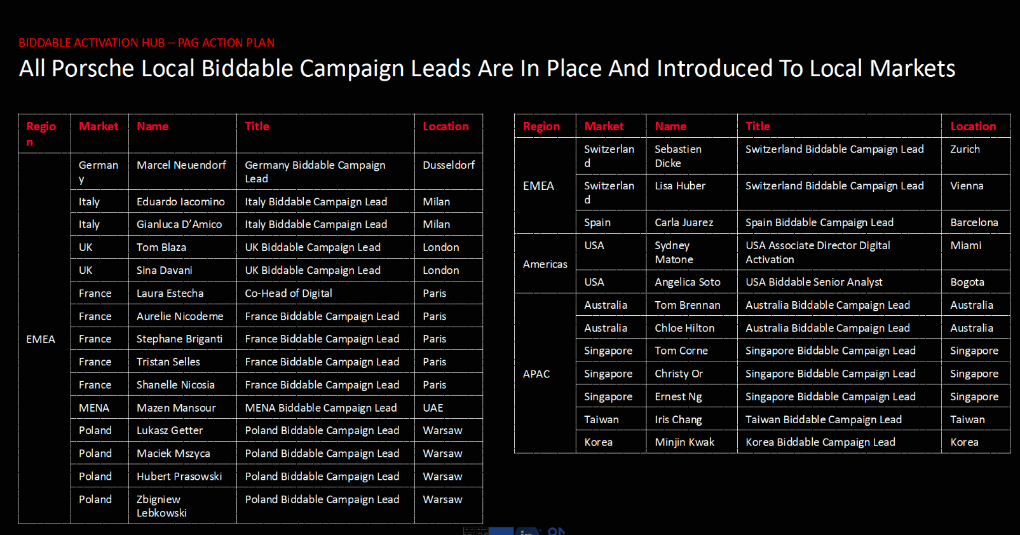
Market Key Contacts
Cluster | Market | Name | Title/Role | Email | Comments
 | APAC | Sam Piller | Head of Digital & Innovation | sam.piller@phdmedia.com
 | APAC | Tom Corne | Business Director | tom.corne@phdmedia.com
 | APAC | Christy Or | Account Director | christy.or@phdmedia.com | ad
 | Australia | Jas Kaur (new contact) | Planning Manager | jas.kaur@phdmedia.com
 | Australia | Jethro Pacquring (new contact) | Media Implementation Account Director | jethro.pacquing@omc.com
 | Australia | Rachel Conway | Group Business Director | rachael.conway@omc.com
 | Australia | James Schmidt | Planning Director | james.schmidt@phdmedia.com
 | Australia | Jackie Alapatt | Investment Director | jackie.alapatt@phdmedia.com
 | Australia | Dona Choi | Business Director | dona.choi@phdmedia.com
 | Australia | Kathryn Weatherlake | Group Lead | kathryn.weatherlake@phdmedia.com
 | Australia | Zach Goodman | Head of Media Implementation | Zach.Goodman@omc.com
 | Canada - Toronto | Natalie Kudriavtceva | Planning Director | Natalie.Kudriavtceva@touchemedia.com
 | Canada - Toronto | Terry Horton | VP, Executive Management | terry.horton@touchemedia.com
 | Canada - Toronto | Alexandra Alvarado | Digi Lead | alexandra.alvarado@touchemedia.com
 | Canada - Toronto | Raquel Capovilla | Group Director | raquel.capovilla@touchemedia.com
 | Canada - Toronto | Audrey Ansah | Director, Social | audrey.ansah@touchemedia.com
 | Canada - Toronto | Gaurav Dayalani | Associate Director | gaurav.dayalani@omnicommediagroup.com
 | CEE | Eva Benešová | Senior Media Strategy & Planning | eva.benesova@omc.com
 | CEE | Aneta Cihlova Libalova | Digital Performance Specialist | aneta.cihlova@omc.com
 | CEE | Umut Yasar | Digital Consultant | umut.yasar@omnicommediagroup.com
 | China | Cynthia Zhang | Chief Client Officer | cynthia.zhang@phdmedia.com
 | China | Karen Teng | Account lead | karen.teng@phdmedia.com | Maternity leave
 | China | Nancy Mu | Director Digital | nancy.mu@phdmedia.com
 | China | Cecilia Wang | General Manager | cecilia.wangrt@omc.com
 | France | Jules Oster | Account Manager | jules.oster@re-mindphd.com
 | France | Kelly Marques | Account Executive | kelly.marques@re-mindphd.com
 | France | Martin Briand | Account Director | martin.briand@re-mindphd.com
 | France | Olivia Deschamps | Associate Director | olivia.deschamps@re-mindphd.com
EMEA | France | Anaelle Marin | Account executive | anaelle.marin@re-mindphd.com
 | France | Julie Ferreira | Team Lead Digital | julie.ferreira@omc.com
 | Germany | Anahita Joneydi | Group Manager (Porsche AG, Motorsports) | anahita.joneydi@phdmedia.com
 | Germany | Katharina Meier | Client Service Director (Porsche AG, Motorsports, Porsche Germany) | katharina.meier@phdmedia.com
 | Germany | Annika Bremshey | Director Digital (Porsche AG, Motorsports, Porsche Germany) | annika.bremshey@phdmedia.com
 | Germany | Nele Koos | Senior Executive Digital (Porsche AG, Motorsports, Porsche Germany) | nele.koos@phdmedia.com
 | Germany | Caroline Lemoine | Managing Partner (Account Lead Audi & Porsche) | caroline.lemoine@phdmedia.com
 | Germany | Porsche Germany Team | Porsche Germany Team | porschegermanyteam@phdmedia.com
EMEA | Germany | Ender Ceylan | Digital Lead
EMEA | Germany | Julia Ferfer | Director
EMEA | Germany | Max Gotzen | Group Manager Digital | maximilian.gotzen@phdmedia.com
EMEA | Germany | Nadine Peters | Group Manager | nadine.peters@phdmedia.com
EMEA | Germany | Dana Schmittmann | Senior Executive Digital | dana.schmittmann@phdmedia.com
EMEA | Germany | David Berndt | Account executive | david.berndt@ohdmedia.com
EMEA | Germany | Ramazan Safak | Account executive | ramazan.safak@phdmedia.com
EMEA | Germany | Pia Brenig | Account executive | pia.brenig@phdmedia.com
 | India | Taha Nomani | Senior Executive - Planning | taha.nomani@phdmedia.com | Not in scope
 | India | Sahil Verma | Head Digital Planning | sahil.verma@phdmedia.com | Not in scope
 | Italy | Gianluca D'amico | Communication Manager | gianluca.damico@phdmedia.com
 | Italy | Giulia Zanoletti | Communication Manager | giulia.zanoletti@phdmedia.com
EMEA | Italy | Fabio Pompa | Senior Performance Manager | fabio.pompa@phdmedia.com
EMEA | Italy | Cristiano Cassese | Senior Performance Specialist | cristiano.cassese@phdmedia.com
EMEA | Italy | Veronica Romagnoli | Senior programmatic Manager | veronica.romagnoli@phdmedia.com
 | LATAM - Miami | Erika Garcia | Associate Director | erika.garcia@phdmedia.com | PLA (includes Mexico)
 | LATAM - Miami | Ivan Morales | Group Account Director | ivan.morales@omnicommediagroup.com | PLA (includes Mexico)
 | Mexico | Armando Perez Gonzalez | Account Director | armando.perez@phdmedia.com
 | Mexico | Cynthia Eguia | Account Manager | cynthia.eguia@phdmedia.com
 | Mexico | Alondra Avilez | Planner | alondra.avilez@phdmedia.com
 | Mexico | Vanessa Ortiz | Account executive | vanessa.ortiz@phdmedia.com
 | Middle East | Jana Gerges | Senior Executive - Planning | jana.gerges@omnicommediagroup.com
 | Middle East | Omar Naja | Executive - Planning | omar.najia@omnicommediagroup.com
 | Middle East | Stephanie Medlege | Senior Director, Planning | stephanie.medlege@omc.com
 | Middle East | Lynn Kharrat | Manager - Planning | lynn.kharrat@omc.com
 | Middle East | Mohammad Sabbah | Senior Manager - Planning | mohamad.sabbah@phdmedia.com
 | Middle East | Jad Haddad | Senior Executive - Performance | jad.haddad@phdmedia.com
 | Norway | Masha Scekic | Client Director | masha.scekic@omc.com
 | Norway | Kaia Paulseth | Digital Advisor | kaia.paulseth@omc.com
 | Norway | Charlotte Sohus | Performance Advisor | charlotte.sohus@omc.com
 | Norway | Henriette Prestegard | Project Coordinator | henriette.prestegard@omc.com
 | Norway | Bendik Thorsen | Video/Audio Advisor | bendik.thorsen@omc.com
 | Poland | Katarzyna Dudzińska | Communication Manager | katarzyna.dudzinska@phdmediadirection.com.pl
 | Poland | Kalina Krassowska | Business Director | kalina.krassowska@phdmediadirection.com.pl
 | Poland | Lukasz Getter | Digital Head VGP | lukasz.getter@phdmediadirection.com.pl | Do not include
 | Poland | Lukasz Pietrulinski | Trafficking Director | lukasz.pietrulinski@phdmediadirection.com.pl | Do not include
 | Poland | Błażej Roliński | Senior Communication Planner | blazej.rolinski@phdmediadirection.com.pl
 | Portugal | Carla Ourelo | Client Service Director | carla.ourelo@phdmedia.com
 | Portugal | Goncalo Moreira | Account | goncalo.moreira@phdmedia.com
EMEA | Portugal | Vanda Henriques | Senior Account | vanda.henriques@phdmedia.com
EMEA | Portugal | Gonçalo Moreira | Account | goncalo.moreira@phdmedia.com
EMEA | Portugal | Sofia Ribeiro | Deputy MD | sofia.ribeiro@phdmedia.com
 | South Korea | Minjin Kwak | Group Lead | minjin.kwak@phdmedia.com
 | South Korea | Seulgi Gang | Senior Media Planner | seulgi.gang@omc.com
 | South Korea | All team | All team | Porsche-PHDK-ALL@oneomnicom.com | All team
 | South Korea | Sooa Park | Media Planner | sooa.park@phdmedia.com
 | South Korea | Jisu Kim | Media Planning Director | jisu.kim@phdmedia.com
 | South Korea | Jaeyoung Choi | Media Planner | jaeyoung.choi@phdmedia.com
 | Spain | Teresa Estévez | Brand Director | teresa.estevez@omc.com
 | Spain | Manon Diaz del Hierro | Brand Manager | manon.diazdelhierro@omc.com
 | Spain | Susana Arenal | Brand Specialist | susana.arenal@omc.com
 | Spain | Marta Brondo | Business Lead | marta.brondo@omc.com
 | Sweden | Elias Svedberg | Digital Lead/Account Manager | elias.svedberg@phdmedia.com
 | Sweden | Joachim Thimsporr | Account Lead | Joachim.Thimsporr@phdmedia.com
 | Sweden | Caroline Klang | Print Lead | caroline.klang@phdmedia.com
 | Switzerland | Martina Chopard | Senior Communication Consultant | martina.chopard@phdmedia.com
 | Switzerland | Gessica Mancini | Senior Communication Consultant | gessica.mancini@omc.com
 | Taiwan | Emma Liu | Senior Planner | emma.liu@phdmedia.com
 | Taiwan | Freda Ko | Planning Manager | freda.ko@phdmedia.com
 | Taiwan | Geri Hsu | Managing Director | geri.hsu@phdmedia.com
 | Taiwan | Ivy Chiu | Planning Supervisor | ivy.chiu@omc.com
 | Taiwan | Melissa Chen | General Manager | melissa.chen@omc.com
 | UK | Verity Campion | Managing Partner (Account Lead) | verity.campion@phdmedia.com
 | UK | TBC | Planning Director
 | UK | Hannah Loe | Planning Associate Director | hannah.loe@omc.com
 | UK | Jana Cornish | Planning Manager | jana.cornish@omc.com
EMEA | UK | Aman Hack | Digital Associate Director | aman.hack@phdmedia.com
EMEA | UK | Abigail Hooper | Digital Executive | abigail.hooper@phdmedia.com
EMEA | UK | Ian Oh | Biddable Director | ian.oh@phdmedia.com
EMEA | UK | Wanda Valentini | Biddable Associate Director | wanda.valentini@phdmedia.com
EMEA | UK | Macaullay Hollywood | Biddable Associate Director | macaullay.hollywood@phdmedia.com
EMEA | UK | Larry Bigley | AV Associate Director | larry.bigley@phdmedia.com
 | USA - Chicago | Hayley Cawley | Director, Planning | hayley.cawley@omc.com
 | USA - New York | Dakota Dousias | Senior Director, Digital Investment | dakota.dousias@omc.com
 | USA - Chicago | Callie Dodd | Strategy Supervisor | callie.dodd@omc.com
 | USA - New York | Mariane Faria | Associate Director, Digital Investment | mariane.faria@omc.com
 | USA - New York | Ameenah Danmole | Supervisor, Digital Investment | Ameenah.Danmole@omc.com
 | USA - New York | Elizabeth Guckian | Supervisor, Digital Investment | Elizabeth.Guckian@omc.com
 | USA - New York | Lindsay Murtagh | CCO | lindsay.murtagh@mc.com

